Dashboard
WASTE MANAGEMENT DASHBOARD


Total Waste Collected
Total Waste Recycled
Total Waste-to-Landfill

96,900,085
(in Tonnes)
55,351,372
(in Tonnes)
41,593,400
(in Tonnes)

YoY ANALYSIS OF WASTE COLLECTED -> RECYCLED -> LANDFILL

2023
Waste Collected | 25,357,400
Waste Recycled | 12,691,400
Waste Disposed | 12,666,000
2022
Waste Collected | 32,984,685
Waste Recycled | 19,219,972
Waste Disposed | 13,809,400
2021
Waste Collected | 38,558,000
Waste Recycled | 23,440,000
Waste Disposed | 15,118,000

CATEGORY WISE WASTE COLLECTED -> RECYCLED
SELECT YEAR

2023

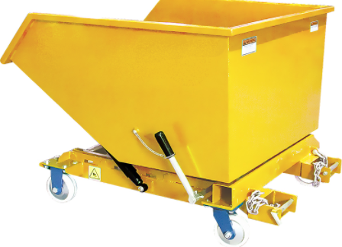


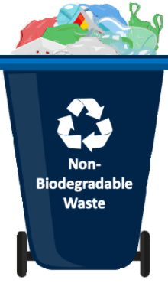

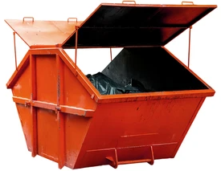

Construction Waste
Bio-Hazardous Waste
E-Waste
Industrial Waste
Non-Biodegradable Waste
Organic Waste

Collected
8,377,200
Collected
95,300
Collected
830,200
Collected
2,769,800
Collected
3,254,400
Collected
10,030,500

49,100
Recycled
7,003,900
Recycled
65,600
Recycled
Recycled
1,761,100
Recycled
352,000
Recycled
3,459,700

 |  |  | (In Tonnes) |  |  |  | (In Tonnes) |  |  |  | (In Tonnes) |  |  |  | (In Tonnes) |  |  |  | (In Tonnes) |  |  |  | (In Tonnes)

YoY & MoM Comparison
YoY & MoM Comparison
YoY & MoM Comparison
YoY & MoM Comparison
YoY & MoM Comparison
YoY & MoM Comparison

Month | 2023 | 2022 | Variance %age | Month | 2023 | 2022 | Variance %age | Month | 2023 | 2022 | Variance %age | Month | 2023 | 2022 | Variance %age | Month | 2023 | 2022 | Variance %age | Month | 2023 | 2022 | Variance %age
 | Recycle % | Recycle % |  |  | Recycle % | Recycle % |  |  | Recycle % | Recycle % |  |  | Recycle % | Recycle % |  |  | Recycle % | Recycle % |  |  | Recycle % | Recycle %
Jan | 87% | 93% | -6% | Jan | 0% | 0% | 0% | Jan | 0% | 0% | 0% | Jan | 0% | 0% | 0% | Jan | 11% | 10% | 1% | Jan | 38% | 40% | -2%
Feb | 90% | 95% | -5% | Feb | 0% | 88% | -88% | Feb | 0% | 0% | 0% | Feb | 73% | 63% | 11% | Feb | 0% | 0% | 0% | Feb | 41% | 11% | 29%
Mar | 0% | 78% | -78% | Mar | 86% | 0% | 86% | Mar | 6% | 0% | 6% | Mar | 0% | 0% | 0% | Mar | 0% | 11% | -11% | Mar | 35% | 41% | -6%
Apr | 85% | 89% | -4% | Apr | 81% | 0% | 81% | Apr | 6% | 0% | 6% | Apr | 64% | 68% | -4% | Apr | 12% | 0% | 12% | Apr | 28% | 37% | -9%
May | 94% | 99% | -5% | May | 0% | 83% | -83% | May | 0% | 1% | -1% | May | 0% | 29% | -29% | May | 13% | 11% | 2% | May | 35% | 40% | -4%
Jun | 80% | 90% | -10% | Jun | 0% | 0% | 0% | Jun | 0% | 0% | 0% | Jun | 56% | 69% | -13% | Jun | 0% | 0% | 0% | Jun | 36% | 40% | -3%
Jul | 93% | 23% | 70% | Jul | 64% | 83% | -19% | Jul | 4% | 0% | 4% | Jul | 0% | 0% | 0% | Jul | 11% | 0% | 11% | Jul | 33% | 13% | 21%
Aug | 77% | 92% | -16% | Aug | 0% | 0% | 0% | Aug | 0% | 0% | 0% | Aug | 0% | 0% | 0% | Aug | 0% | 9% | -9% | Aug | 56% | 46% | 10%
Sep | 83% | 0% | 83% | Sep | 49% | 0% | 49% | Sep | 0% | 0% | 0% | Sep | 61% | 82% | -21% | Sep | 0% | 0% | 0% | Sep | 4% | 0% | 4%
Oct | 69% | 33% | 36% | Oct | 0% | 83% | -83% | Oct | 10% | 0% | 10% | Oct | 0% | 0% | 0% | Oct | 7% | 0% | 7% | Oct | 32% | 36% | -4%
Nov | 92% | 92% | 0% | Nov | 0% | 0% | 0% | Nov | 0% | 0% | 0% | Nov | 68% | 0% | 68% | Nov | 0% | 9% | -9% | Nov | 0% | 42% | -42%
Dec | 0% | 20% | -20% | Dec | 43% | 88% | -45% | Dec | 0% | 0% | 0% | Dec | 9% | 77% | -68% | Dec | 0% | 0% | 0% | Dec | 1% | 12% | -11%

Growth-Degrowth %age of Construction Waste
Growth-Degrowth %age of Bio-Hazardous Waste
Growth-Degrowth %age of E-Waste
Growth-Degrowth %age of Industrial Waste
Growth-Degrowth %age of Non-Biodegradable Waste
Growth-Degrowth %age of Organic Waste

ZONAL ANALYSIS OF WASTE COLLECTED -> RECYCLED -> TO LANDFILL

ZONE C
ZONE D
ZONE E
ZONE A
ZONE B

(in Tonnes)
COLLECTED
7,325,800
(in Tonnes)
COLLECTED
6,323,100
(in Tonnes)
COLLECTED
3,143,200
(in Tonnes)
COLLECTED
5,321,800
(in Tonnes)
COLLECTED
3,243,500

RECYCLED
4,522,900
RECYCLED
3,117,900
RECYCLED
1,041,200
RECYCLED
2,261,900
RECYCLED
1,747,500

LANDFILL
2,802,900
LANDFILL
3,205,200
LANDFILL
2,102,000
LANDFILL
3,059,900
LANDFILL
1,496,000

ZONE WISE WASTE CATEGORY COLLECTED -> RECYCLED -> DISPOSED

 |  |  |  |  |  |  |  |  |  |  | SELECT ZONE

 |  |  |  |  |  |  |  |  |  |  | Zone A

ZONE WISE WASTE COLLECTED --> RECYCLED --> TO-LANDFILL
ZONE WISE RECYCLING COST --> AMOUNT RECEIVED--> PROFIT%

 |  |  |  |  |  |  |  |  |  |  | 2023

Waste Collected (in Tonnes)
Waste Recycled (in Tonnes)
Waste-to-Landfill (in Tonnes)
Recycling Cost
Amount Received
Profit %

7,325,800
4,522,900
2,802,900
506,573,500
3,197,520,000
28%

Construction Waste
Bio-Hazardous Waste
E-Waste
Industrial Waste
Non-Biodegradable Waste
Organic Waste

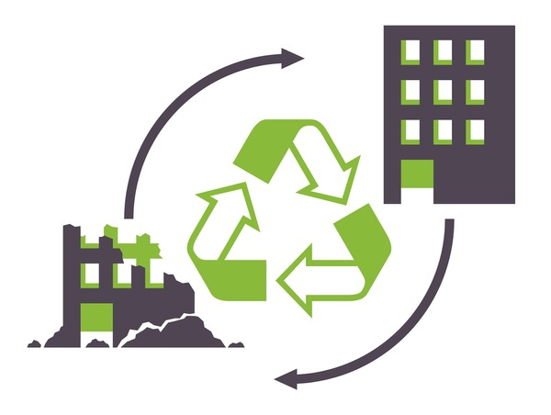

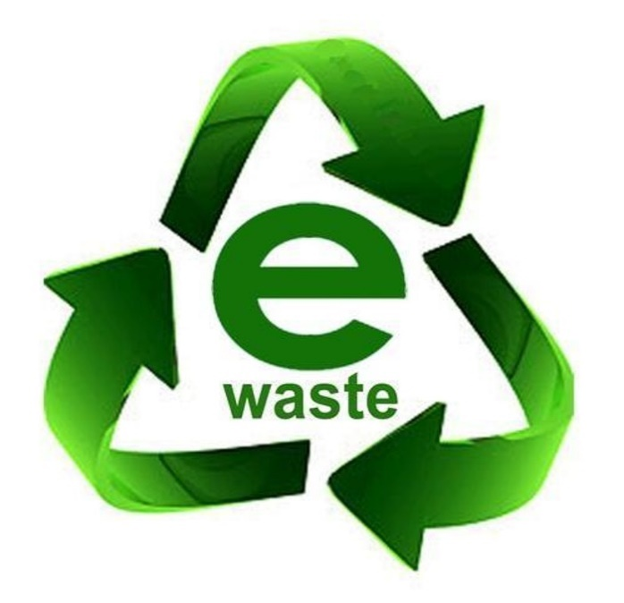
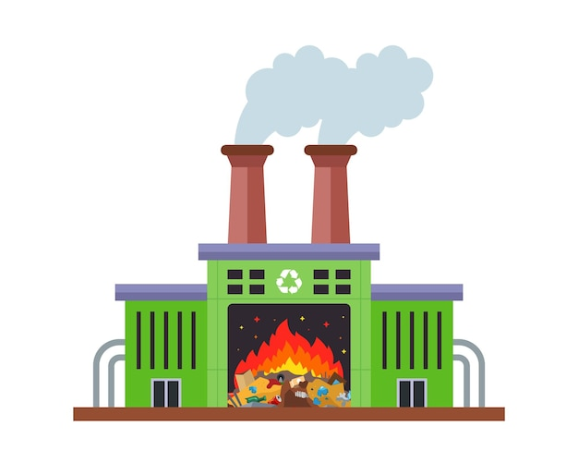
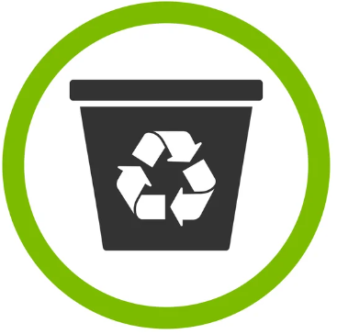
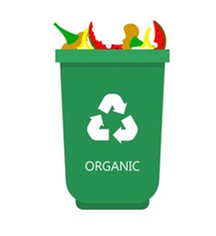

ZONE WISE AREAS (WASTE COLLECTED --> WASTE RECYCLED --> WASTE DISPOSED)

 | Waste Collected | Waste Recycled | Waste Disposed
Banbridge | 912200 | 824900 | 87300
Ballymena | 0 | 0 | 0
Armagh | 856700 | 799000 | 57700
Ards | 982700 | 795800 | 186900
Antrim | 1270800 | 1224600 | 46200
 | 0 | 0 | 0
 | Waste Collected | Waste Recycled | Waste Disposed
Banbridge | 0 | 0 | 0
Ballymena | 0 | 0 | 0
Armagh | 0 | 0 | 0
Ards | 0 | 0 | 0
Antrim | 16800 | 10800 | 6000
 | 0 | 0 | 0
 | Waste Collected | Waste Recycled | Waste Disposed
Banbridge | 0 | 0 | 0
Ballymena | 0 | 0 | 0
Armagh | 0 | 0 | 0
Ards | 248600 | 14000 | 234600
Antrim | 0 | 0 | 0
 | 0 | 0 | 0
 | Waste Collected | Waste Recycled | Waste Disposed
Banbridge | 98300 | 0 | 98300
Ballymena | 0 | 0 | 0
Armagh | 65500 | 6200 | 59300
Ards | 0 | 0 | 0
Antrim | 62600 | 3800 | 58800
 | 0 | 0 | 0
 | Waste Collected | Waste Recycled | Waste Disposed
Banbridge | 683100 | 74100 | 609000
Ballymena | 0 | 0 | 0
Armagh | 0 | 0 | 0
Ards | 0 | 0 | 0
Antrim | 0 | 0 | 0
 | 0 | 0 | 0
 | Waste Collected | Waste Recycled | Waste Disposed
Banbridge | 0 | 0 | 0
Ballymena | 1294700 | 623100 | 671600
Armagh | 199500 | 101000 | 98500
Ards | 634300 | 45600 | 588700
Antrim | 0 | 0 | 0
 | 0 | 0 | 0

Earnings over Waste Category

Construction Waste
Bio-Hazardous Waste
E-Waste
Industrial Waste
Non-Biodegradable Waste
Organic Waste

Total Cost of Recycling
Total Cost of Recycling
Total Cost of Recycling
Total Cost of Recycling
Total Cost of Recycling
Total Cost of Recycling

490,273,000
436,240,000
346,155,000
827,717,000
88,000,000
259,477,500

Total Amount Received
Total Amount Received
Total Amount Received
Total Amount Received
Total Amount Received
Total Amount Received

837,720,000
857,700,000
7,056,700,000
1,384,900,000
976,320,000
1,003,050,000

Profit Booked % age
Profit Booked % age
Profit Booked % age
Profit Booked % age
Profit Booked % age
Profit Booked % age

4%
4%
69%
6%
9%
8%

ZONE WISE TOTAL COST OF RECYCLING --> TOTAL AMOUNT RECEIVED --> PROFIT %AGE SHARE

2023
 | Total Amount Received | Total Cost of Recycling | Profit Booked %
Zone A | 3,197,520,000 | 506,573,500 | 28%
Zone B | 2,556,360,000 | 866,444,000 | 17%
Zone C | 2,886,900,000 | 427,620,000 | 25%
Zone D | 856,100,000 | 191,924,000 | 7%
Zone E | 2,619,510,000 | 455,301,000 | 22%

